Question
 |  |  | Should we add sakun when followring alphabet has shadda on it?
 |  | Verse 58:22 | Ana is always with a not on alef, what should we do? | کَتَبَ اللّٰہُ لَاَغۡلِبَنَّ اَنَا اَنَا۠ وَ رُسُلِیۡ رُسُلِیۡۤ
 |  | Verse 42:16 | Where Slۖ comes \\u06D6, should we change harkat to stop? 42:16x2 + 6:94 | لِاَعۡدِلَ بَیۡنَکُمۡ بَیۡنَکُمُ اَللّٰہُ اللّٰہُ رَبُّنَا | 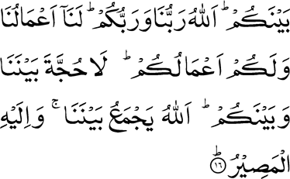
2700 | No neeed to fix | Verse 22:25 | Matches in our scritps | اِلٰی اِلَی الطَّیِّبِ
3400 |  | Verse 28:77 | Source seems correct | لَتَنُوۡٓاُ لَتَنُوۡۤاُ | 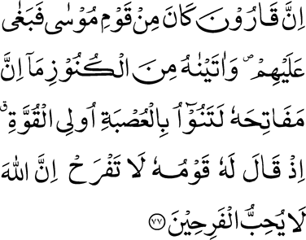
3700 |  | Verse 23:83 | Source seems correct | وَ قَالُوۡۤا ءَ اِذَا اَءِذَا
4600 |  | Verse 46:5 | Sources seems to be correct, needs to be checked | السَّمٰوٰتِ اِیۡتُوۡنِیۡ اِئۡتُوۡنِیۡ بِکِتٰبٍ | 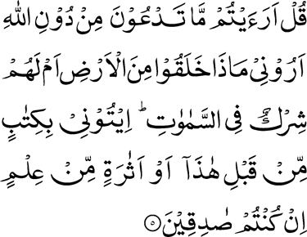
3500 |  | Verse 30:55 | Should we fix it and remove explaination? | ضُؔعۡفٍ ضَعۡفٍ ثُمَّ | 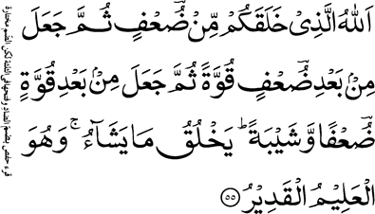 | https://holyquran.site/اَللّٰہُ%20اللّٰہُ%20الَّذ%D9%90یۡ%20خَلَقَکُمۡ%20م%D9%90ّنۡ%20ضُؔعۡفٍ%20ضَعۡفٍ%20ثُمَّ%20جَعَلَ%20م%D9%90نۡۢ%20بَعۡد%D9%90%20ضُؔعۡفٍ%20ضَعۡفٍ%20قُوَّۃً%20ثُمَّ%20جَعَلَ%20م%D9%90نۡۢ%20بَعۡد%D9%90%20قُوَّۃٍ%20ضُؔعۡفًا%20ضَعۡفًا%20وَّ%20شَیۡبَۃً%20وَّشَیۡبَۃً%20یَخۡلُقُ%20مَا%20یَشَآءُ%20وَ%20ہُوَ%20الۡعَل%D9%90یۡمُ%20الۡقَد%D9%90یۡرُ#30:55 | https://youtu.be/8cFM_KHfgDg?t=1100
700 | No neeed to fix | Verse: 5:3 | Wrong Madda. Matches with in our scripts | الۡقَلَآئِدَ الۡقَلٰٓئِدَ | 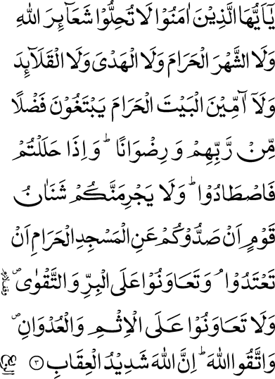
5700 | Fixed | Verse: 76:16,17 | Which one is correct? Source seems correct | قَؔوَارِیۡرَا۠ قَوَ قَؔ‍وَارِیۡرَا۠ ارِیۡرَا۠ | 